Sheet1
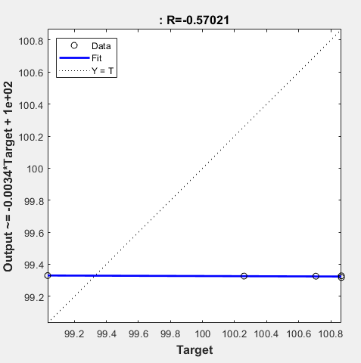
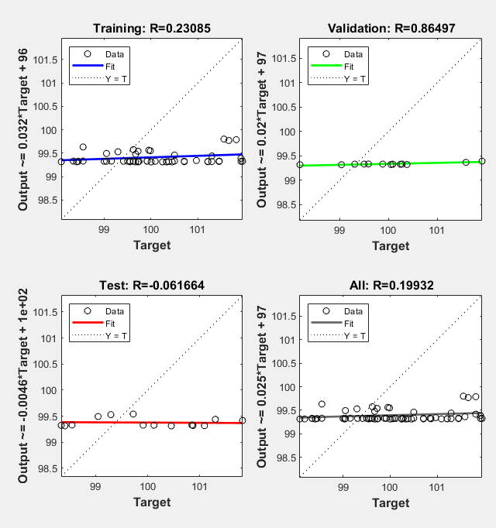
Average % Approximation Error in 3 trials
 | Average % Approximation error
Number of neurons | Trial 1 | Trial 2 | Trial 3
5 | 1.2296 | 1.081 | 1.0804
10 | 0.7998 | 0.6182 | 0.7632
15 | 0.6756 | 0.4925 | 0.4131
20 | 0.2761 | 0.4574 | 0.6554
25 | 0.2272 | 0.5219 | 0.5984
30 | 1.5679 | 0.9823 | 0.5109
35 | 0.099 | 0.1423 | 0.0591
40 | 1.0447 | 0.7145 | 0.2889
45 | 0.9312 | 0.144 | 1.1339
50 | 5.9855 | 1.4219 | 4.864

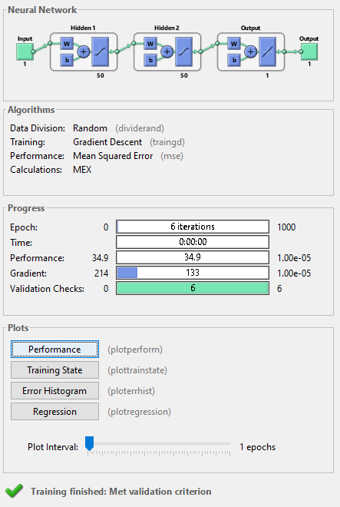
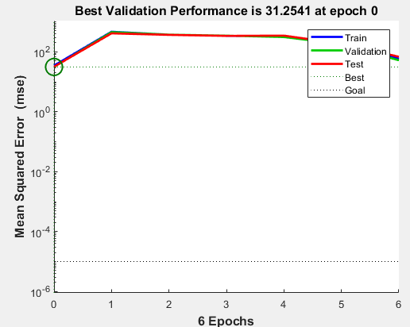
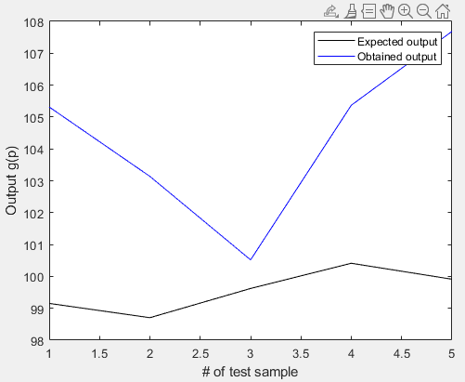

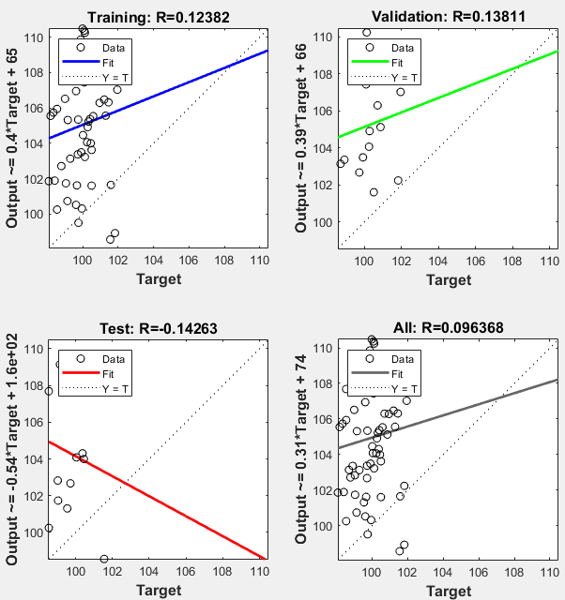
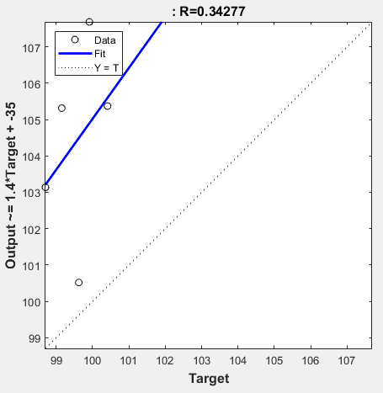

Average % Approximation error in 5 trials

The average approximation error of five trials
 | Average of trials
1 | 0.76896
2 | 0.62702
3 | 0.61082
4 | 0.5807
5 | 0.45124
 | Average % Approximation error
# hidden layers | Trial 1 | Trial 2 | Trial 3 | Trial 4 | Trial 5 | Average of trials
1 | 0.8838 | 1.015 | 0.7796 | 0.5931 | 0.5733 | 0.76896
2 | 0.6475 | 0.7079 | 0.5463 | 0.6497 | 0.5837 | 0.62702
3 | 0.8271 | 0.4491 | 0.6013 | 0.5904 | 0.5862 | 0.61082
4 | 0.5404 | 0.6799 | 0.384 | 0.5023 | 0.7969 | 0.5807
5 | 0.2654 | 0.5999 | 0.3887 | 0.4528 | 0.5494 | 0.45124

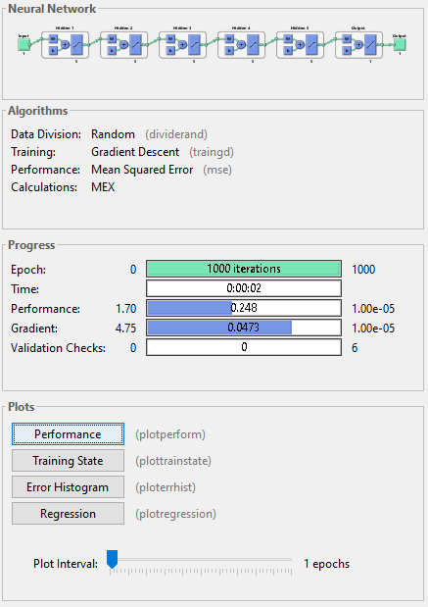

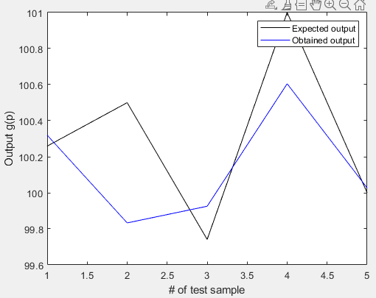

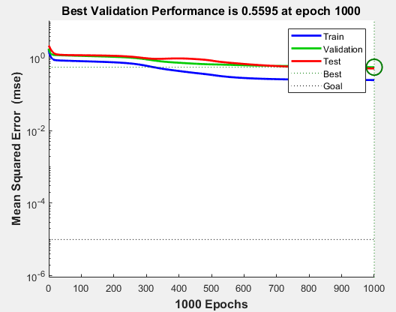

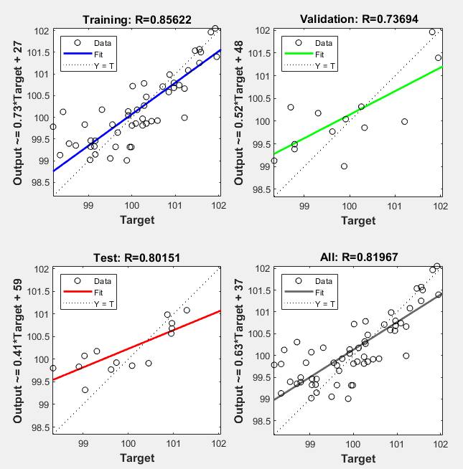
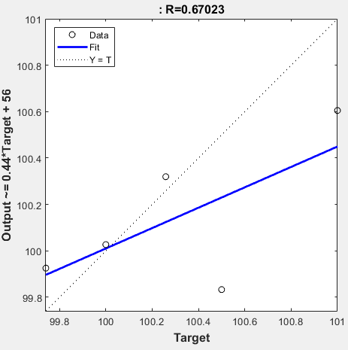

Average % Approximation error vs Learning rate (0.01-0.5)

 | Average % Approximation error
Learning rate | Trial 1 | Trial 2 | Trial 3
0.01 | 0.76065 | 0.64283 | 0.59998
0.02 | 0.81732 | 0.39039 | 0.39466
0.03 | 0.61288 | 0.2816 | 0.62809
0.04 | 0.20143 | 0.71731 | 0.6761
0.05 | 0.97794 | 0.57159 | 0.59175
0.06 | 0.68024 | 0.55625 | 0.83662
0.07 | 0.74522 | 0.66261 | 1.7178
0.08 | 1.3012 | 3.5607 | 1.7845
0.09 | 2.8346 | 3.5824 | 1.8467
0.1 | 0.95531 | 2.7581 | 4.2638
0.11 | 2.803 | 2.1329 | 2.5986
0.12 | 0.50553 | 0.55428 | 5.7112
0.13 | 2.9785 | 1.5455 | 3.7493
Average % Approximation error vs Learning rate (0.01-0.1)
0.14 | 0.72551 | 2.2065 | 3.8767
0.15 | 1.5314 | 1.7811 | 2.185
0.16 | 1.8481 | 1.4641 | 0.76582
0.17 | 0.63084 | 1.7447 | 4.9266
0.18 | 2.2558 | 4.8166 | 0.69848
0.19 | 0.31838 | 3.1785 | 0.62086
0.2 | 0.84439 | 0.8194 | 3.9466
0.21 | 0.80654 | 2.2562 | 3.1888
0.22 | 4.0507 | 2.888 | 1.8566
0.23 | 2.1778 | 3.3829 | 0.86833
0.24 | 1.6039 | 1.5277 | 4.8156
0.25 | 2.5805 | 2.4628 | 1.4174
0.26 | 1.0418 | 1.3714 | 1.123
0.27 | 4.616 | 0.73256 | 3.5969
0.28 | 0.92141 | 0.29545 | 1.9712
0.29 | 2.345 | 2.2175 | 1.1584
0.3 | 2.4071 | 1.2544 | 0.69305
0.31 | 0.64144 | 2.5846 | 5.3919
0.32 | 0.72437 | 2.0086 | 2.1657
0.33 | 2.2419 | 1.2932 | 2.1148
0.34 | 0.68562 | 4.5164 | 2.556
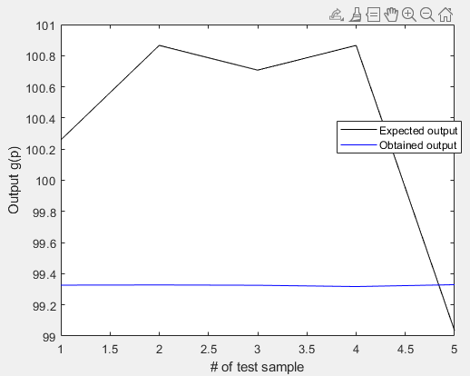
0.35 | 1.3389 | 1.2854 | 3.7583
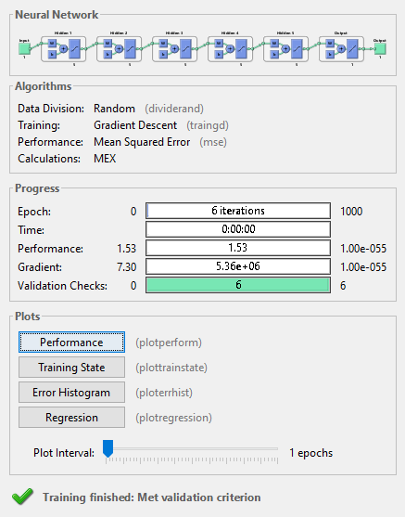
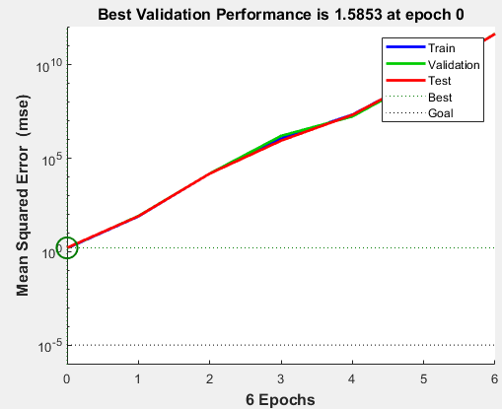
0.36 | 0.80521 | 1.5752 | 1.1369
0.37 | 1.6519 | 1.4509 | 3.3054
0.38 | 3.7557 | 0.86826 | 4.1915
0.39 | 2.9257 | 3.4905 | 2.0312
0.4 | 2.1536 | 1.0315 | 5.3136
0.41 | 1.0678 | 3.7148 | 2.0297
0.42 | 1.3491 | 3.4665 | 0.65422
0.43 | 0.52871 | 0.53683 | 2.4186
0.44 | 0.64669 | 2.2472 | 0.62799
0.45 | 0.62046 | 4.3394 | 1.2908
0.46 | 3.9299 | 0.70371 | 1.0363
0.47 | 1.4585 | 4.9055 | 0.98118
0.48 | 1.3298 | 1.2319 | 1.5043
0.49 | 1.0613 | 1.7022 | 1.027
0.5 | 2.6225 | 2.4792 | 1.1319

